Arkusz1
 | 0
Title | Ken Jee
Published At | 2014-02-28T14:58:24Z
Description | Data Science and Sports Analytics are my passions. My name is Ken Jee and I have been working in the data science field doing sports analytics for the last 5 years. I have held data science positions in companies ranging from startups to fortune 100 organizations. I transitioned into data science from a business and consulting background. When I was first starting out on my data science journey I was extremely lost; there were very few resources for me to learn about this field from. I decided to start making YouTube videos to share my experiences and to hopefully help others get break into the data science and sports analytics fields. On this channel I produce fun and informative Data Science and Sports Analytics Content. My goal is to provide insight into the data science community, career advice, and sports related analysis.
Country | US
Number of videos | 245
Number of subscribers | 232000
Total views | 7383381
 | Film
Title | How I Would Learn Data Science (If I Had to Start Over)
Published_date | 2020-05-08T13:00:03Z
Views | 1375488
Likes | 48708
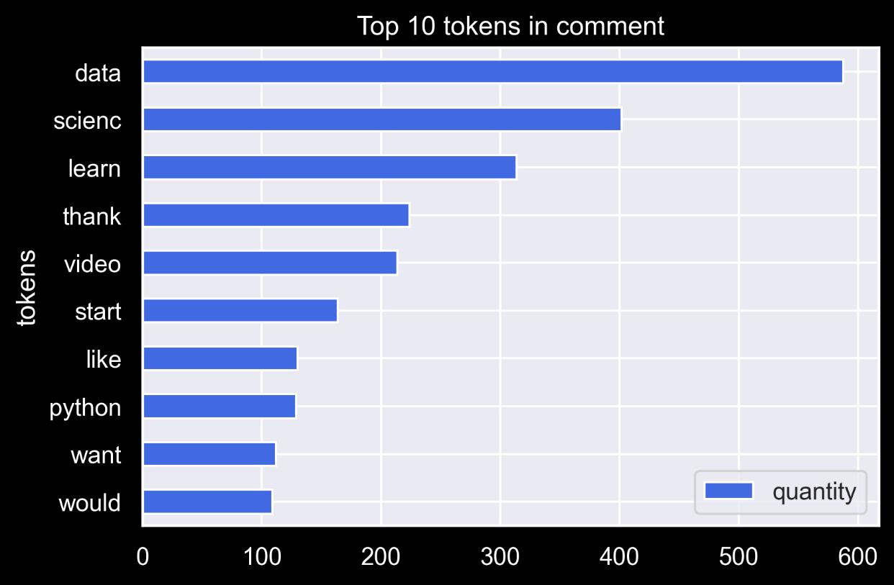
Comments | 1999

 | tokens | quantity
7 | data | 588
9 | scienc | 402
5 | learn | 314
8 | thank | 224
6 | video | 214
4 | start | 164
2 | like | 130
3 | python | 129
1 | want | 112
0 | would | 109

